Index
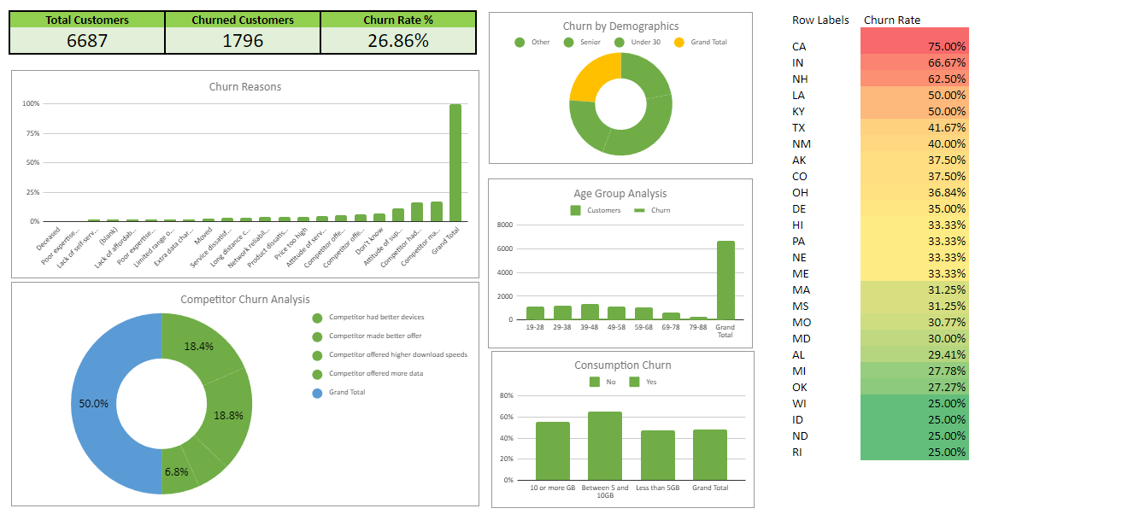
 | Case Study: Analyzing Customer Churn

 | Q1 | What's the total churn rate for "Databel"? (Answer format: XX.XX%) | 26.86%
 | Q2 | Which of the following is part of the top 3 churn reasons? | competitor made better offer,competitor had better devices, attitude of support person
 | Q3 | What % of customers churned due to "Competitor made better offer"? Rounded to two decimal places. | 17.13%
 | Q4 | Which demographic group has the highest churn rate? | others(age between 30-60)
 | Q5 | Which age group makes up the lowest number of customers but the highest churn rate? | 49 and above
 | Q6 | What's the churn rate for people on an unlimited plan who consume less than 5 GB of data? (Answer format: XX.XX%) | 71.49%
 | Q7 | It seems there is a state that has customers on a international plan that has a particularly high percentage of churners. Write the name code of this state (e.g., MT). | CA
 | Q8 | Strategy for retaining senior citizens. | Make better offer
 | Q9 | Contract types? | Mont to month, one year, two year
 | Q10 | What are the total number of customers that "Databel" has served? | 6687
 | Q11 | Reason of churn? | Competitor made better offer
 | Q12 | What is the churn rate for customers aged between 19-28 years old? (Answer format: XX.XX%) | 13.36%
 | Q13 | How many states had a churn rate of 25%? | 3

Dashboard

Sample Dashboard

Q1
Churn Rate
Churn Label | Percent
No | 73.14%
Yes | 26.86%
Grand Total | 100.00%

Q2
Top 3 Churn Reason
COUNTA of Churn Reason | Churn Label
Churn Reason | Yes
Competitor made better offer | 303
Competitor had better devices | 297
Attitude of support person | 203
Don't know | 123
Competitor offered more data | 110
Competitor offered higher download speeds | 95
Attitude of service provider | 84
Price too high | 74
Product dissatisfaction | 73
Network reliability | 69
Long distance charges | 61
Service dissatisfaction | 60
Moved | 44
Extra data charges | 37
Limited range of services | 35
Poor expertise of online support | 30
Lack of affordable download/upload speed | 28
Lack of self-service on Website | 26
Poor expertise of phone support | 11
Deceased | 6

Q3
Churn Label | Yes

Churn Reason
Churn Reason | COUNTA of Churn Reason
Competitor made better offer | 17.13%
Competitor had better devices | 16.79%
Attitude of support person | 11.48%
Don't know | 6.95%
Competitor offered more data | 6.22%
Competitor offered higher download speeds | 5.37%
Attitude of service provider | 4.75%
Price too high | 4.18%
Product dissatisfaction | 4.13%
Network reliability | 3.90%
Long distance charges | 3.45%
Service dissatisfaction | 3.39%
Moved | 2.49%
Extra data charges | 2.09%
Limited range of services | 1.98%
Poor expertise of online support | 1.70%
Lack of affordable download/upload speed | 1.58%
Lack of self-service on Website | 1.47%
Poor expertise of phone support | 0.62%
Deceased | 0.34%
Grand Total | 100.00%

Q4
CHURNED PERCENT
Churn Label | Yes

Demographics by age | CHURNED PERCENT
#NAME? | 100.00%
Grand Total | 100.00%

Churn Label | Yes
Churned numbers by age group
 | COUNTA of Customer ID
#NAME? | 1796
Grand Total | 1796
Age group | COUNTA of Customer ID
#NAME? | 1796
Grand Total | 1796

Q5
Comparision between customer enrolled and chured by Age group
 | CUSTOMER CHURNED | NUMBER OF CUSTOMER ENROLLED
#NAME? | 6687 | 6687
Grand Total | 6687 | 6687
Churn Label | (All)

Age group | CUSTOMER CHURNED | NUMBER OF CUSTOMER ENROLLED
#NAME? | 6687 | 6687
Grand Total | 6687 | 6687

Q6
Churned number of customers who use less than 5GB data vs. Unlimited Data Plan
Churn Label | Yes
Avg Monthly GB Download | (Multiple Items)

Unlimited Data Plan | Churned number of customers who use less than 5GB data
No | 28.51%
Yes | 71.49%
Grand Total | 100.00%

Q8
Churn Label | Yes

Top 3 Churn Reason in senior citizen
COUNTA of Customer ID | Senior
Churn Reason | Yes
Competitor made better offer | 91
Competitor had better devices | 78
Attitude of support person | 60
Don't know | 27
Competitor offered more data | 24
Attitude of service provider | 24
Price too high | 22
Product dissatisfaction | 20
Limited range of services | 16
Network reliability | 16
Competitor offered higher download speeds | 14
Service dissatisfaction | 14
Long distance charges | 13
Extra data charges | 13
Moved | 11
Poor expertise of online support | 10
Lack of affordable download/upload speed | 8
Deceased | 2
Lack of self-service on Website | 1 | Make better offer than the competitor to retain the senior customer

Q9
No. of customers with its Contract Type

Contract Type | No. of customers
Month-to-Month | 3411
One Year | 1479
Two Year | 1797
Grand Total | 6687

Q10
No. of customer served

Gender | No. of customer served
Female | 3301
Male | 3379
Prefer not to say | 7
Grand Total | 6687

Q11
Churn Label | Yes

Reasons for churned customer
Churn Reason | Churned number of customer
Attitude of service provider | 84
Attitude of support person | 203
Competitor had better devices | 297
Competitor made better offer | 303
Competitor offered higher download speeds | 95
Competitor offered more data | 110
Deceased | 6
Don't know | 123
Extra data charges | 37
Lack of affordable download/upload speed | 28
Lack of self-service on Website | 26
Limited range of services | 35
Long distance charges | 61
Moved | 44
Network reliability | 69
Poor expertise of online support | 30
Poor expertise of phone support | 11
Price too high | 74
Product dissatisfaction | 73
Service dissatisfaction | 60
Grand Total | 1769

Q12
Churned numbers by age group
 | COUNTA of Customer ID
#NAME? | 1796
Grand Total | 1796
Churn Label | Yes

Age group | COUNTA of Customer ID
#NAME? | 100.00%
Grand Total | 100.00%

